Sheet1
1 | SELECT * FROM `students` WHERE YEAR(`date_of_birth`) = 1990;
2 | SELECT * FROM `courses` WHERE cfu > 10;
3 | SELECT * FROM `students` WHERE date_of_birth > '1992-03-21';
 | SELECT * FROM `students` WHERE TIMESTAMPDIFF(YEAR, `date_of_birth`, CURDATE()) > 30;
4 | SELECT * FROM `courses` WHERE Period='I semestre' AND Year='1';
5 | SELECT * FROM `exams` WHERE date='2020-06-20' AND hour > '14:00:00';
6 | SELECT * FROM `degrees` WHERE `name` LIKE '%magistrale%';
7 | SELECT COUNT(*) FROM `departments`;
8 | SELECT COUNT(*) FROM `teachers` WHERE `phone` IS NULL;

1 | SELECT * FROM `students` join `degrees` ON `students`.`degree_id` = `degrees`.`id` WHERE `degrees`.`name` = 'Corso di Laurea in Economia';
2 | SELECT * FROM `degrees` JOIN `departments` ON `degrees`.`department_id` = `departments`.`id` WHERE `departments`.`name` = 'Dipartimento di Neuroscienze';
3 | SELECT * FROM `courses` JOIN `course_teacher` ON `courses`.`id` = `course_teacher`.`course_id` WHERE `course_teacher`.`teacher_id` = 44;
4 | SELECT * FROM `students` JOIN `degrees` ON `students`.`degree_id` = `degrees`.`id` JOIN `departments` ON `degrees`.`department_id` = `departments`.`id` ORDER BY `students`.`surname`, `students`.`name`;
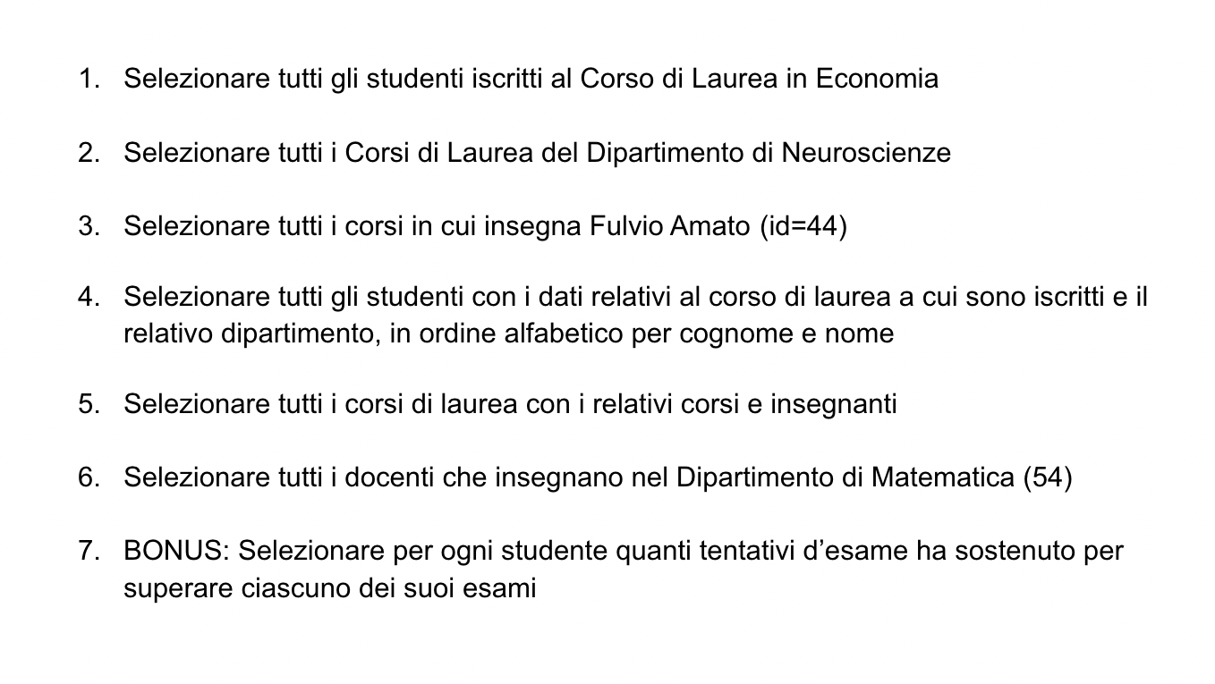
5 | SELECT `degrees`.`name`, `teachers`.`name`, `teachers`.`surname`,`courses`.`name` FROM `degrees` JOIN `courses` ON `courses`.`degree_id` = `degrees`.`id` JOIN `course_teacher` ON `course_teacher`.`course_id` = `courses`.`id` JOIN `teachers` on `course_teacher`.`teacher_id` = `teachers`.`id`;
6 | SELECT DISTINCT `teachers`.`name`, `teachers`.`surname` FROM `departments` JOIN `degrees` on `degrees`.`department_id` = `departments`.`id` JOIN `courses` on `courses`.`degree_id` = `degrees`.`id` JOIN `course_teacher` on `course_teacher`.`course_id` = `courses`.`id` JOIN `teachers` on `course_teacher`.`teacher_id` = `teachers`.`id` WHERE `departments`.`id` = 5 ORDER BY `teachers`.`surname` ASC;
7


1 | SELECT EXTRACT(year FROM enrolment_date) AS year, COUNT(*) AS students_enrolled FROM `students` GROUP BY EXTRACT(year FROM enrolment_date);
2 | SELECT COUNT(*) AS 'teachers_same_office', `office_address` FROM `teachers` GROUP BY `office_address`;
3 | SELECT `exam_id` as exam_id, AVG(`vote`) AS avg_grade FROM `exam_student` group by `exam_id`;
4 | select department_id as department_id, COUNT(name) as number_of_degrees from degrees group by department_id;

